Sheet1
Test Id | Test Name | Evidence(Before) | Evidence(After) | Status
1 | Register(First And Last Name) | 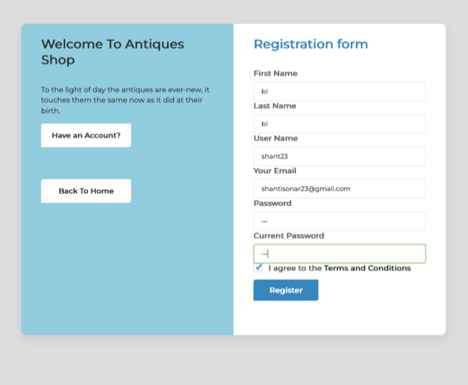 | 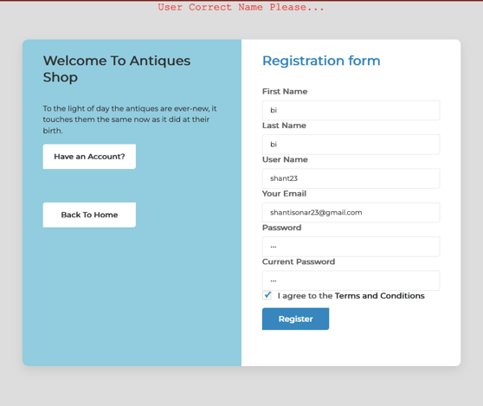 | Successful
2 | Register(Correct First And Last Name) Register(Wrong UserName) | 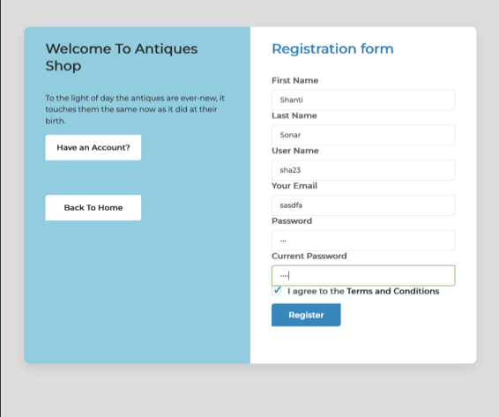 | 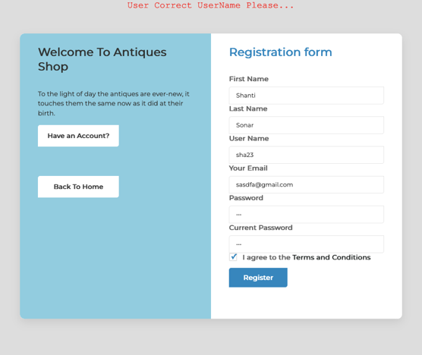 | Successful
3 | Register(Correct First And Last Name) Register(Correct UserName) Register(Correct Email) Register(Wrong Password) | 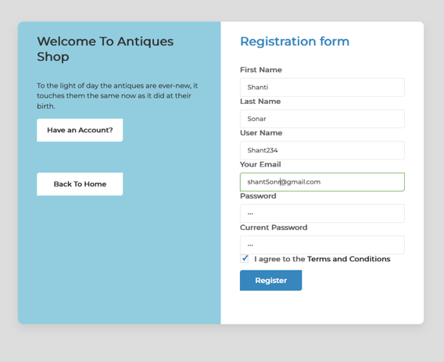 | 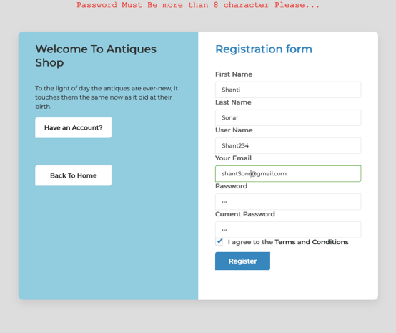 | Successful
4 | Register(Correct First And Last Name) Register(Correct UserName) Register(Correct Email) Register(Correct Password) | 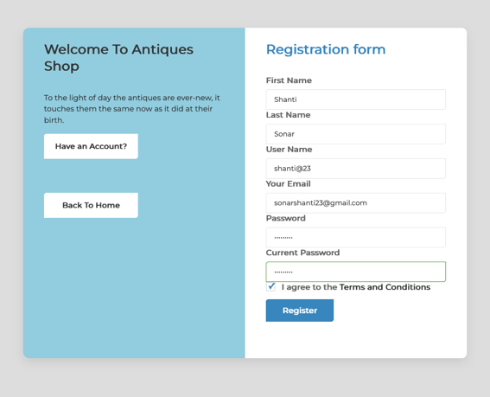 | 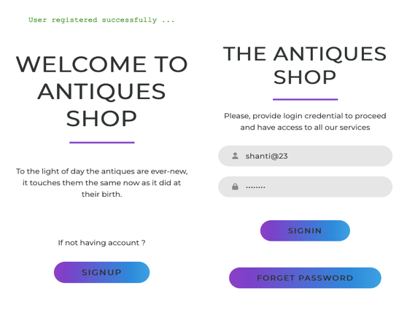 | Successful
5 | SignIn(incorrect username) (Correct Password) | 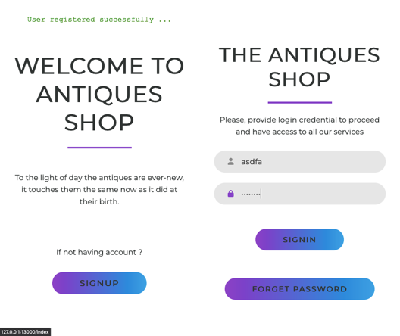 | 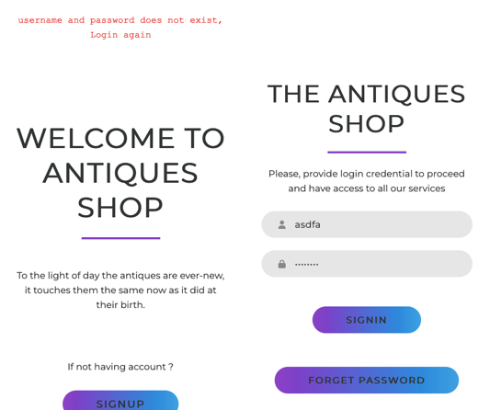 | Successful
6 | SignIn(correct username) (inCorrect Password) | 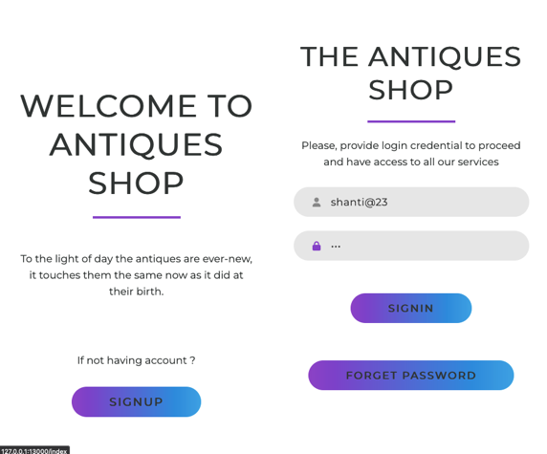 | 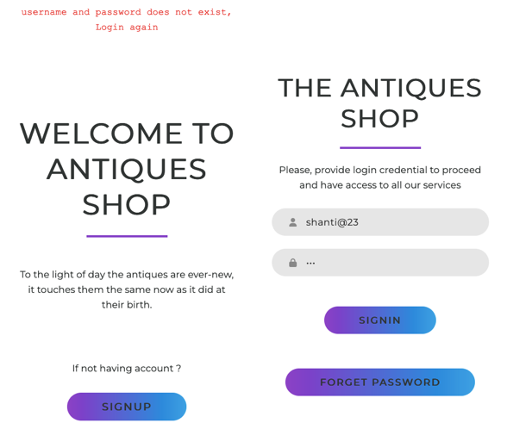 | Successful
7 | SignIn(correct username) (Correct Password) | 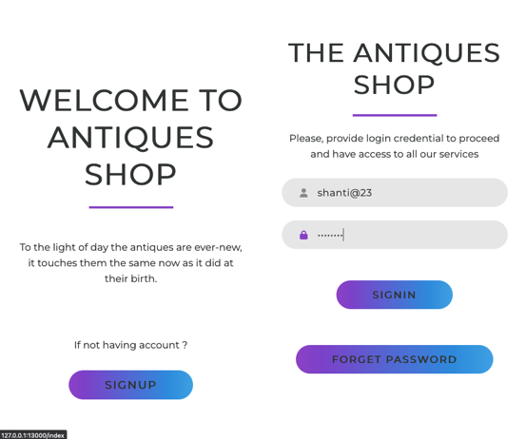 | 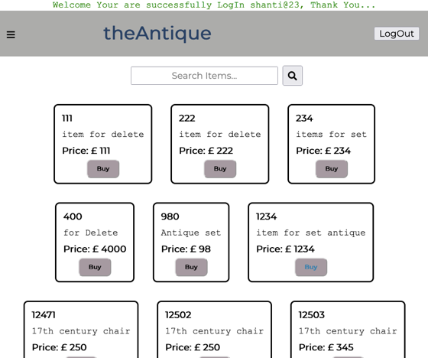 | Successful
8 | Buying Individual Items Click on Buying Item |  | 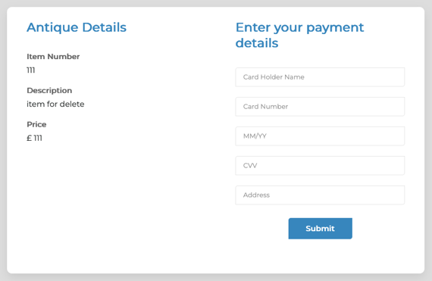 | Successful
9 | Buying Individual Items 980 If It in Set item It remove from Sets | 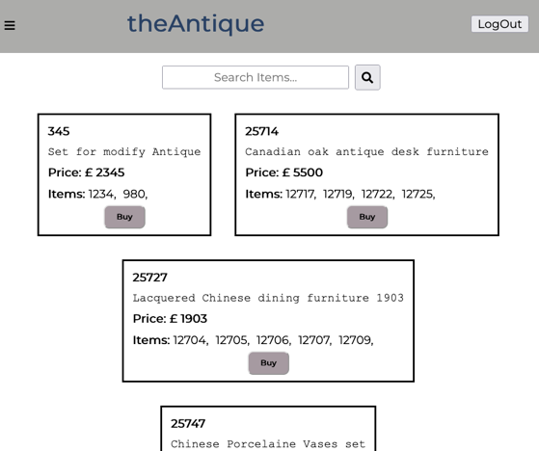 | 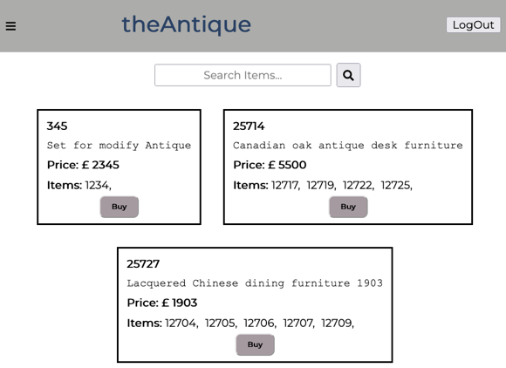 | Successful Removed Item 980 from Sets Item
10 | Adding New Individual Items But Individual Id Number already exist | 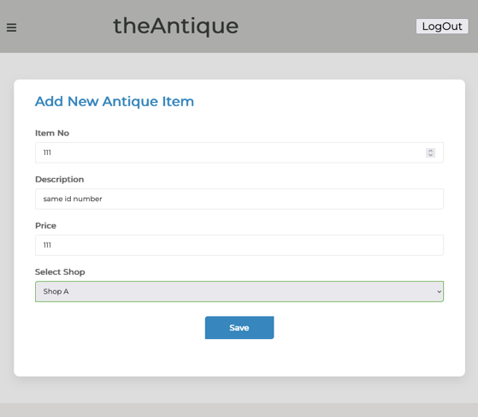 | 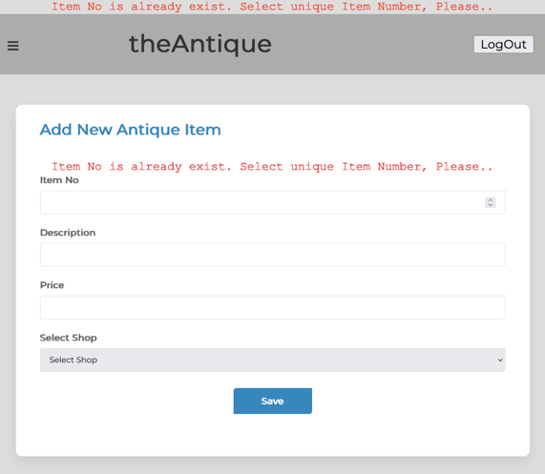 | Successfully able to show error message
11 | Adding New Individual Items | 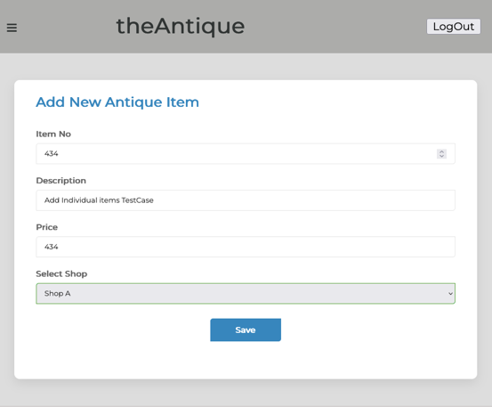 | 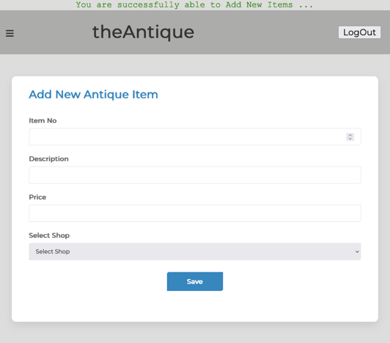 | Successfully able to show success message
12 | Adding New Set Items But Set Id number already exist | 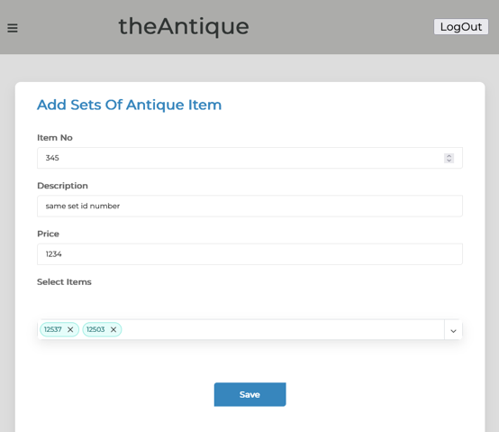 | 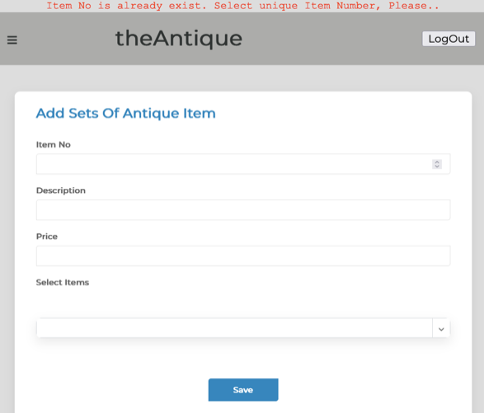 | Successfully able to show error message
13 |  Adding New Set Items |  |  | Successfully able to show success message
14 | Update Individual Items | 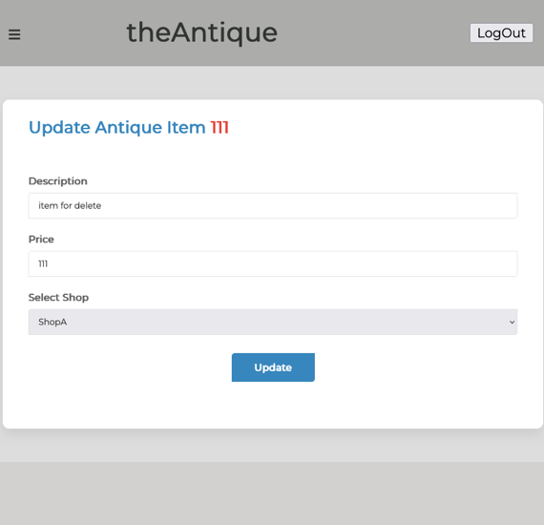 | 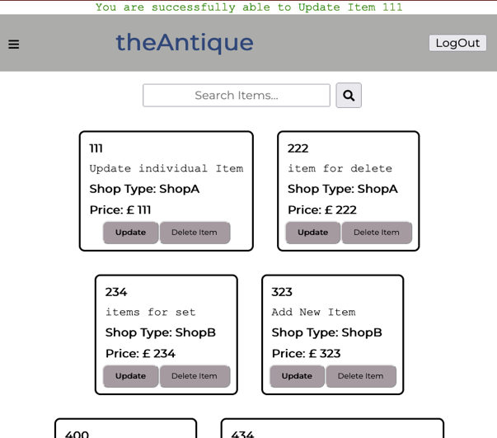 | Successfully able to show success message
15 | Delete Individual Items | 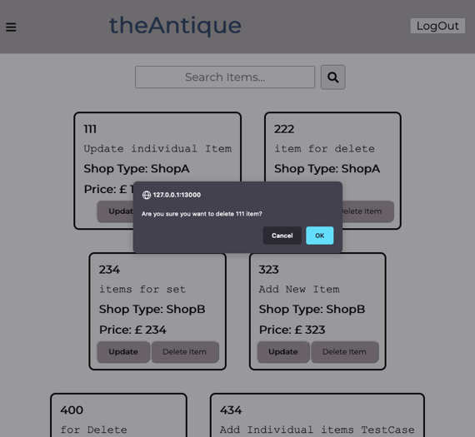 | 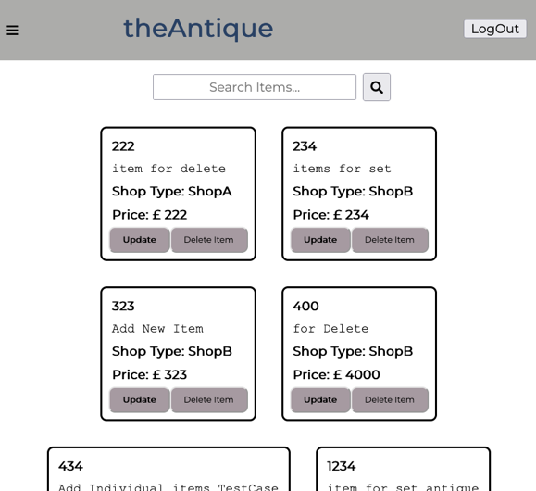 | Need to do refresh And unable to show deleted message
16 | Update Set Items | 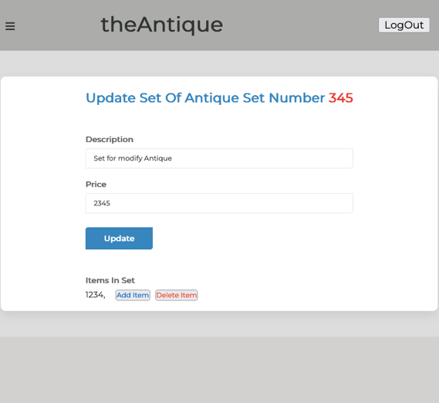 | 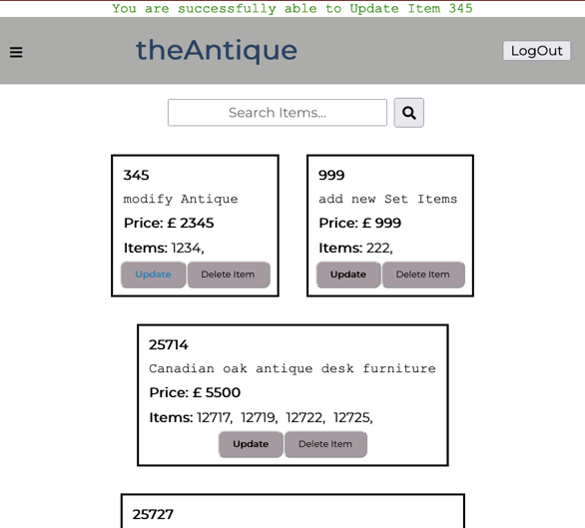 | Successful
17 | Add Item in Set Item | 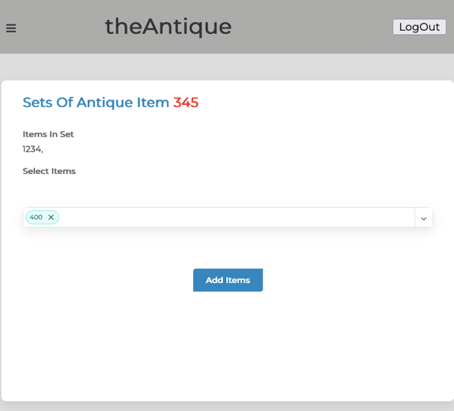 |  | Successful
18 | Delete `items From Set `item | 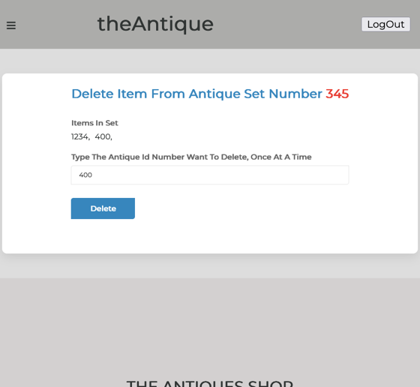 | 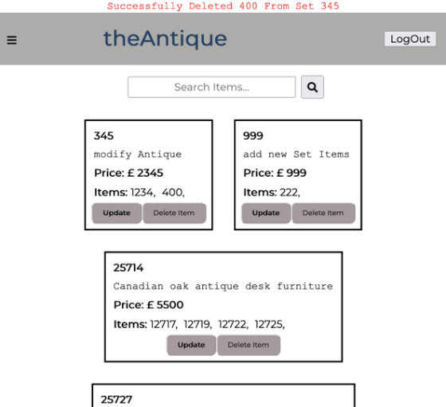 | Successful
19 | Delete Set Item | 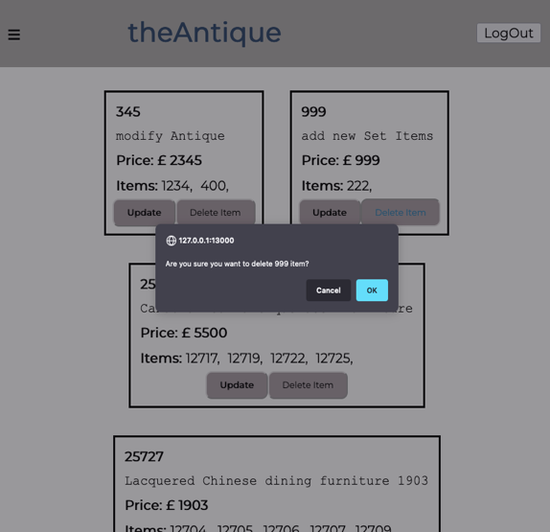 | 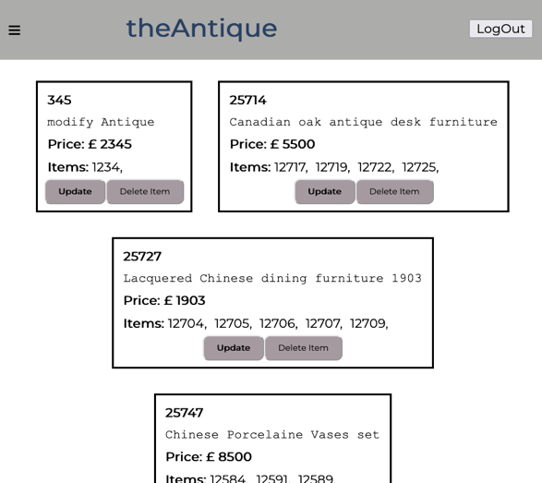 | Need to do refresh And unable to show deleted message

